Sheet1
Glasses of liquor in the last 7 days
 | Mean - F | Mean - M
0 | 1.4615384615 | 0
1 | 1.6 | 0
2 | 1.5 | 0
6 | 2 | 1.3333333333
12 | 1.3333333333 | 0.66666666667
18 | 1 | 1
24 | 1 | 0
30 | 1 | 2
36 | 1 | 1.5
42 | 1.6666666667 | 1
48 | 2 | 0

Cups of Coffee in the last 7 days
 | Mean - T | Mean - A
0 | 2.1666666667 | #N/A
1 | 2.1428571429 | 1.5
2 | 2.75 | 1.25
6 | 1.8571428571 | 1.25
12 | 1.8888888889 | 2
18 | 1.75 | 1.3333333333
24 | 2 | 1
30 | 1.5714285714 | 2
36 | 3 | 1.5
42 | 2.4285714286 | 1.5
48 | 1.8571428571 | 1.25

Glasses of liquor in the last 7 days
 | Mean - T | Mean - A
0 | 1.125 | #N/A
1 | 1.5 | 1.6666666667
2 | 2 | 1.3333333333
6 | 1 | 2
12 | 0.5 | 1.25
18 | 0.66666666667 | 2
24 | 0 | 1
30 | 2 | 1
36 | 0 | 1.2
42 | 1 | 1.6666666667
48 | 0 | 2
Cups of coffee in the last 7 days
 | Mean - F | Mean - M
0 | 1.88 | 2.4666666667
1 | 1.375 | 2.2857142857
2 | 1.25 | 2.75
6 | 1.5555555556 | 1.5
12 | 1.4 | 2.2857142857
18 | 1.7142857143 | 1.5
24 | 1.7142857143 | 2
30 | 1.6 | 1.75
36 | 1.6666666667 | 3.3333333333
42 | 1.7142857143 | 2.75
48 | 1.2857142857 | 2.25

Cups of tea in the last 7 days
 | Mean - T | Mean - A
0 | 2.3125 | #N/A
1 | 1.375 | 2.25
2 | 2.6666666667 | 1.4285714286
6 | 2.5 | 1.6
12 | 2 | 1.3333333333
18 | 1.8571428571 | 1.4
24 | 3.25 | 1
30 | 2 | 1.25
36 | 2.2857142857 | 1.3333333333
42 | 1.75 | 1.6666666667
48 | 1.1666666667 | 1.6666666667

Cans of stimulated beverages in the last 7 days
 | Mean - F | Mean - M
0 | 2.2666666667 | 1.625
1 | 1.7142857143 | 1.8
2 | 2.25 | 2.25
6 | 1.8 | 1.8888888889
12 | 1.6666666667 | 1.6666666667
18 | 2.5 | 1
24 | 1.2857142857 | 1.4
30 | 1.8 | 2
36 | 1.7142857143 | 1
42 | 2 | 1
48 | 2.3333333333 | 1.5

Sheet2
Days of vigorous physical activity over the last 7 days
 | Mean - F | Mean - M
0 | 1.3333333333 | 1.8823529412
1 | 1.1538461538 | 3.0769230769
2 | 1.4285714286 | 2.625
6 | 0.89473684211 | 2.0714285714
12 | 0.78571428571 | 2.375
18 | 1.4117647059 | 1.7272727273
24 | 1.0714285714 | 1.625
30 | 0.076923076923 | 1.3333333333
36 | 1 | 2.4444444444
42 | 1.6666666667 | 3.4
48 | 0.94117647059 | 1.4285714286
Time spend engaging in vigorous physical activity
 | Mean - F | Mean - M
0 | 23.125 | 27.941176471
1 | 19.423076923 | 54.230769231
2 | 21.428571429 | 52.5
6 | 10.789473684 | 47.142857143
12 | 12.5 | 50.625
18 | 20.294117647 | 19.090909091
24 | 11.071428571 | 36.25
30 | 1.5384615385 | 22.222222222
36 | 21.538461538 | 33.666666667
42 | 47.333333333 | 27.2
48 | 14.117647059 | 34.571428571

Time spend engaging in vigorous physical activity
 | Mean - T | Mean - A
0 | 25.540540541 | #N/A
1 | 20.588235294 | 40.909090909
2 | 27 | 37.916666667
6 | 21.176470588 | 31.5625
12 | 13.823529412 | 53.571428571
18 | 21 | 18.461538462
24 | 12.5 | 33.75
30 | 9.1666666667 | 12.222222222
36 | 36.363636364 | 18.3
42 | 26 | 58.6
48 | 11 | 39.625

Days of moderate physical activity over the last 7 days
 | Mean - T | Mean - A
0 | 2.2432432432 | 1.1333333333
1 | 1.6470588235 | 1
2 | 1.6 | 1.75
6 | 1.6470588235 | 1.5
12 | 2.5294117647 | 1.1428571429
18 | 1.8666666667 | 0.69230769231
24 | 1.5 | 0.625
30 | 1.25 | 0.55555555556
36 | 2.2727272727 | 1.8
42 | 2.3 | 1.6
48 | 2.1333333333 | 0.875

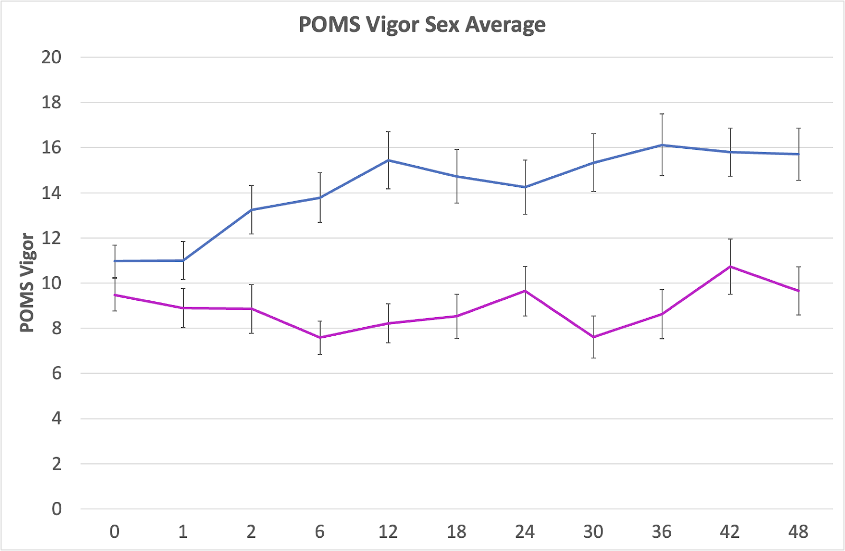

Total Exercise each week
 | Mean - F | Mean - M | Median - F | Median - M
0 | 1649.9583333 | 1830.5147059 | 765 | 1380
1 | 1094.1346154 | 2421.3461538 | 512.5 | 1665
2 | 1827.3214286 | 2281.25 | 881.25 | 1926.25
6 | 1091.5789474 | 2484.4642857 | 760 | 1682.5
12 | 1063.3928571 | 2834.53125 | 456.25 | 2297.5
18 | 1324.4117647 | 1398.1818182 | 580 | 390
24 | 791.42857143 | 1877.8125 | 510 | 1186.4772727
30 | 326.15384615 | 1425.8333333 | 37.5 | 1182.5
36 | 1114.0384615 | 1689.5555556 | 720 | 1319.7386364
42 | 1988 | 1543.5 | 1477.5 | 1009.6875
48 | 891.02941176 | 1577.3571429 | 262.5 | 656.25

Time spent sitting per day
 | Mean - T | Mean - A
0 | 431.89189189 | 546.88888889
1 | 388.23529412 | 571.36363636
2 | 348 | 575
6 | 447.05882353 | 496.875
12 | 374.11764706 | 557.14285714
18 | 295.2 | 553.84615385
24 | 384.28571429 | 555
30 | 295 | 513.33333333
36 | 512.72727273 | 519
42 | 233.5 | 487
48 | 413 | 510

